Sheet1
No. | Variable Name
1 | DAY1 | This variable will be high if the farmer select day 1 and same for the rest respactivly. | firebase login Info | firebase authentication key
2 | DAY2 |  | Email: u6128137@au.edu | fXvjRLsF0qnPZ0igkvJfVyCHDO9fJcEMXghvVfY3
3 | DAY3 |  | Pass: abdur2443424199@a
4 | DAY4 |  | u6128137@au.edu | FireBase host server
5 | DAY5 |  | abdu2443424199@a | https://ce4301-week-9-cw-default-rtdb.asia-southeast1.firebasedatabase.app
6 | DAY6 |  | screen shot from firebase
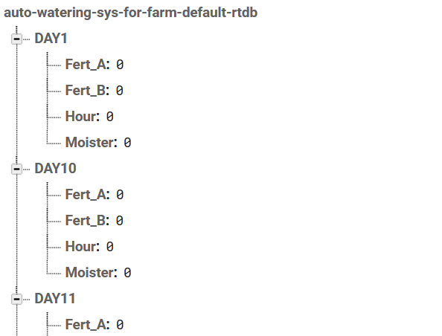
7 | DAY7
8 | DAY8
9 | DAY9 | Variable description
10 | DAY10
11 | DAY11
12 | DAY12
13 | DAY13
14 | DAY14
15 | DAY15
16 | DAY16
17 | DAY17
18 | DAY18
19 | DAY19
20 | DAY20
21 | DAY21
22 | DAY22
23 | DAY23
24 | DAY24
25 | DAY25
26 | DAY26
27 | DAY27
28 | DAY28
29 | DAY29
30 | DAY30
31 | DAY31
32 | DAY32
33 | DAY33
34 | DAY34
35 | DAY35
36 | DAY36
37 | DAY37
38 | DAY38
39 | Moister | The current live data from mouster senros will be stored here.
40 | Fert_A
41 | Fert_B
42 | WATER
43
43

